Sheet1
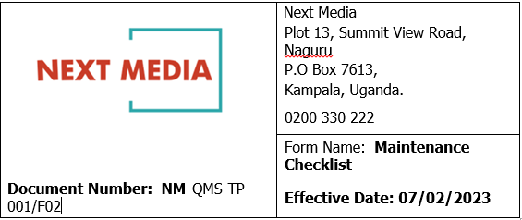

 | LEGAL
DATE | 23th /11/2024
 |  | Software Update |  |  |  |  |  |  |  | Hardware Update
Name of User | Computer Name | Clear browser files | Configure startup programs | Update OS | Update antivirus | Defragment Harddrive | Run Disk Cleanup | Uninstall Unused Programs | Reboot Computer System | Clean Keyboard Mouse and Computer unit | Inspect Computer Parts | Organise Cables and look for Signs of wear and Tear
FERDINAND | DESKTOP-Q5H0MGI Intel(R) Core™ i7-8700 CPU @3.20GHz 3.19GHz 12GB RAM | ü | ü | ü | ü | ü | ü | ü | ü | ü | ü | ü
ISAAC | LEGAL Intel(R) Core™ i5-1135G7 CPU @2.40GHz 2.420GHz 8GB | ü | ü | ü | ü | ü | ü | ü | ü | ü | ü | ü
 | Prepared by:HILLARY
 | Approved by:

